Heatmap Template
Risk Heatmap Key
Realised
Risk
(Issue)
Trend / current direction
of travel
Target Direction
of travel
Current
position
Target
position
New
Risk

 | Draft Strategic Risk Register Heatmap as at 15/11/2016:

5
Impct
 |  | List of risks

4

3

2

1

1
2
3
4
5

Likelihood

Key
A (5)
A/R (10)
A/R (15)
R (20)
R (25)
A/G (4)
A (8)
A/R (12)
R (16)
R (20)
A/G (3)
A (6)
A (9)
A/R (12)
A/R (15)
G (2)
A/G (4)
A (6)
A (8)
A/R (10)
G (1)
G (2)
A/G (3)
A/G (4)
A (5)
5
4
3
2
1
1
2
3
4
5
Likelihood
Impact
Overall Risk Rating
Likelihood | Impact | RAG Trend | RAG
1 | 1 | NEW | Red - Very High (24)
2 | 2 | ↗ Risk Increasing | Red - Very High (20)
3 | 3 | → Stable / No Movement | Red - Very High (16)
4 | 4 | ↘ Risk Decreasing | Amber/Red - High (15)
5 | 5 | N/A | Amber/Red - High (12)
NEW (not assessed) | NEW (not assessed) |  | Amber/Red - High (10)
N/A | N/A |  | Amber - Medium (9)
 |  |  | Amber/Green - Medium (8)
 |  |  | Amber/Green - Medium (6)
 |  |  | Amber/Green - Medium (5)
 |  |  | Green - Low (4)
 |  |  | Green - Low (3)
 |  |  | Green - Very Low (2)
 |  |  | Green - Very Low (1)

Instructions
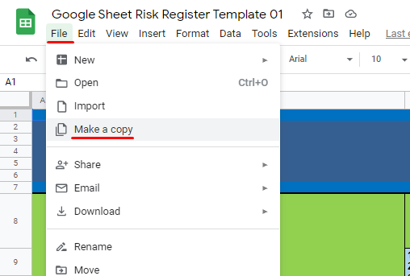
INSTRUCTIONS ON HOW TO COPY THIS TEMPLATE
PLEASE NAVIGATE TO FILE THEN CLICK ON MAKE A COPY (SEE ATTACHED IMAGE BELOW)

